Hoja1
Photo | Colours | S | M | L | XL | XXL | 3XL | TOTAL | TOTAL all colours & sizes
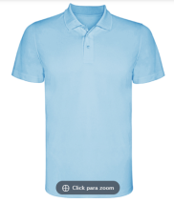 |  | 20 | 25 | 30 | 30 | 25 | 20 | 150 | 1650

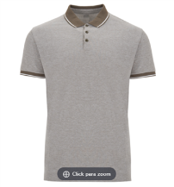 |  | 15 | 20 | 30 | 30 | 20 | 15 | 130 | 520

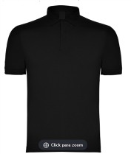 |  | 8 | 10 | 15 | 15 | 10 | 8 | 66 | 858

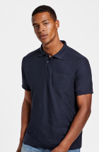 |  | 10 | 12 | 15 | 15 | 12 | 10 | 74 | 444

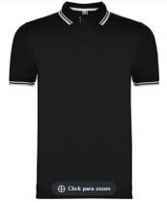 |  | 10 | 15 | 20 | 20 | 15 | 10 | 90 | 540

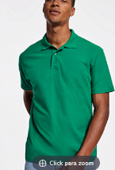 |  | 20 | 25 | 30 | 30 | 25 | 20 | 150 | 1200

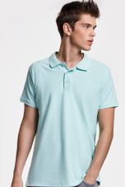 |  | 10 | 15 | 20 | 20 | 15 | 10 | 90 | 1350

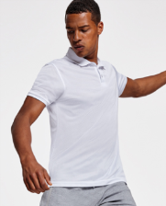 |  | 10 | 15 | 20 | 20 | 15 | 10 | 90 | 450

TOTAL |  |  |  |  |  |  |  |  | 7012

